Sheet1
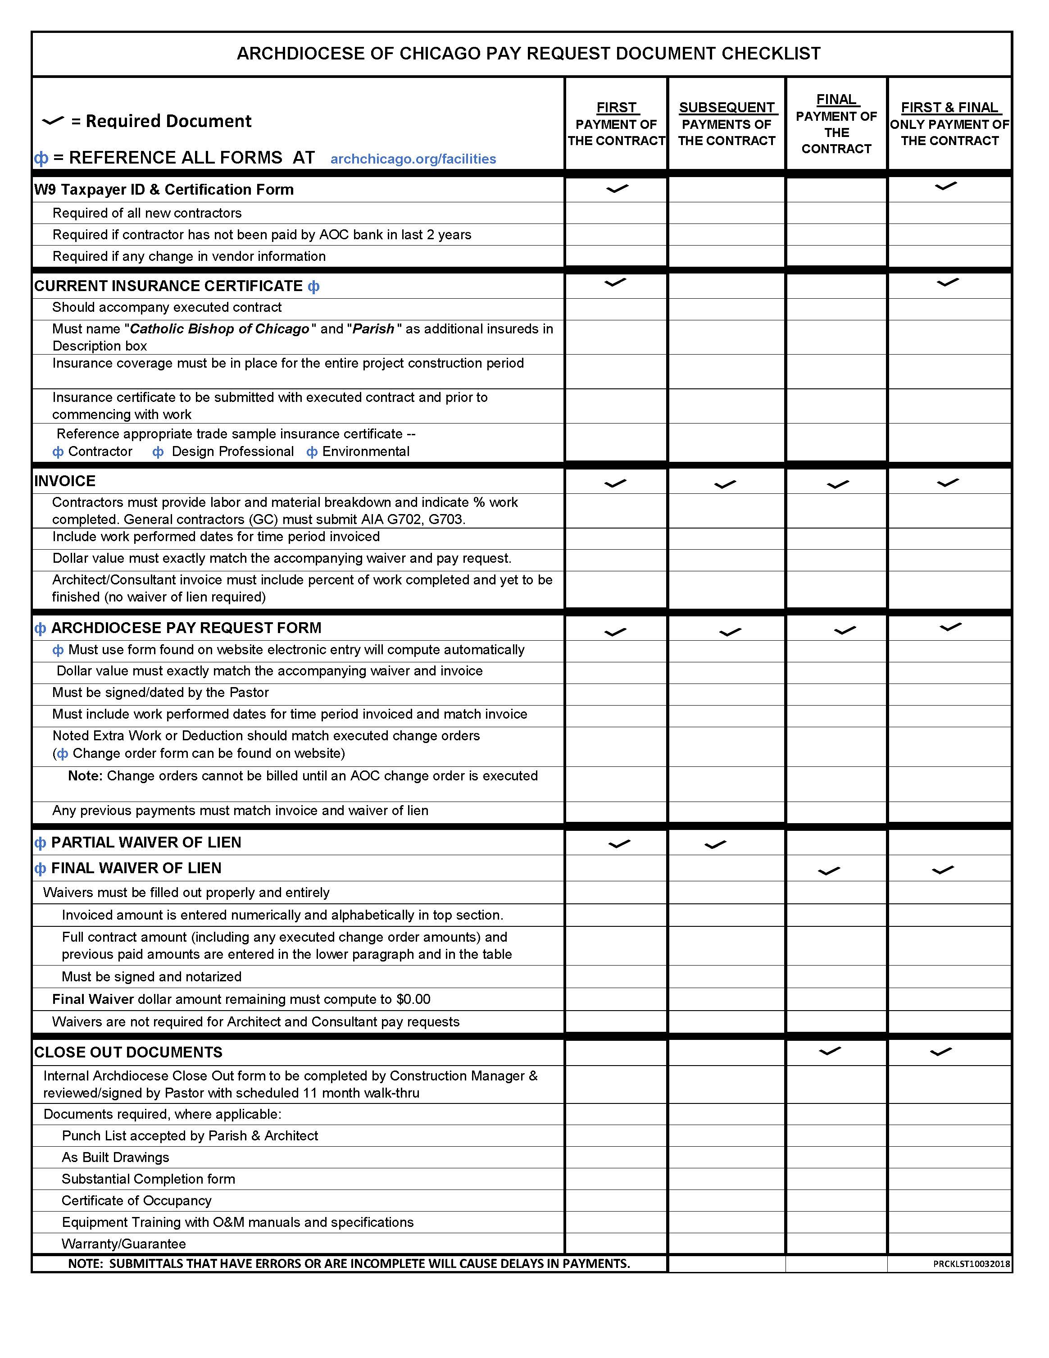
 |  |  |  |  |  |  | Facilities & Construction Department 835 N Rush Street Chicago, IL 60611
Construction Payout Request |  |  |  |  |  |  |  |  |  | Fax 312-534-9805

 |  |  |  |  |  |  | Date
Vendor Name
Address
City |  |  |  |  |  |  | State |  | Zip
Contracted for
 | (type of work)
Parish
 |  | (Name and Address)
PART A | ALL fields and lines must be completed
Original Contract Price |  |  |  |  | A |  |  | INVOICED WORK PERFORMED
Extra Work |  |  |  |  | B |  |  | FROM:
Deduction |  |  |  |  | C
Adjusted Contract Price |  |  | $- |  | D | TOTAL A+B-C |  | THRU:

Total Work Completed to Date |  |  |  |  | E
Amount Retained |  |  |  |  | F
Sub-Total |  |  | $- |  | G | TOTAL E-F
Total Previous Payments |  |  |  |  | H
This Payment* |  |  | $- |  | * | TOTALG-H
NO PAYOUT WILL BE MADE UNLESS THIS FORM IS ACCOMPANIED BY A WAIVER OF LIEN
PART B |  | Please Note: The payment accounts must agree with the approved Capital Project funding.
SOURCE OF FUNDS |  |  |  | ACCOUNT NUMBER |  |  | AMOUNT
Building Fund |  |  |  |  |  |  |  |  | Parish ID#
General Savings
Millennium Savings
CD Maturity Date
Endowment (Earnings Only)
Loan
Capital Grant
Noise Abatement Grant |  |  |  |  |  |  |  |  | FUNDING APPROVAL
Major Gift Capital Grant |  |  |  |  |  |  |  |  | X
Public School Lease |  |  |  |  |  |  |  |  | Pastor
Big Shoulders Capital Grant |  |  |  |  |  |  |  |  | Date
Millennium Capital Grant
Other

 |  |  |  |  |  | TOTAL |  | * Amounts should equal each other
PAYEE – PLEASE NOTE:
• All payout request submittals are to be completed and assembled by the Vendor and sent to AOC Construction Manager (CM) and/or Architect prior to pastor review and signature. -- Payout request forms signed by pastor prior to CM review and approval may cause delays in payment. • A complete payout request package minimally includes a payout request form, invoice and waiver. Other documents may be required. -- Vendors are expected to complete Part A of this form and all other forms in their entirety prior to sending to CM. -- Delays in processing due to errors in documents are vendors’ responsibility

 |  |  |  |  |  |  |  |  |  |  | por10172018

